1. Title Page
[Instacart Grocery Basket Analysis]

Project Name: Instacart Grocery Basket Analysis
Date: Feb 2023
Analyst Name: Mehrnoosh Hassani

Contents:
Population Flow
Consistency checks
Wrangling steps
Column derivations
Visualizations
Recommendations

Dataframes and citation:
Instacart Data Sets:
● Customers Data Set
● Data Dictionary
Citation: “The Instacart Online Grocery Shopping Dataset
2017”, Accessed from https://www.instacart.com/datasets/grocery-shopping-2017 on <10 Jan 2023>.

2. Population Flow
Title page

Population flow

orders_products_prior - original data
Total: 32434489
orders_products_prior - after consistency checks
Total: 32434489
Customers - original data
Total: 206209
Customers - after consistency checks
Total: 206209
Exclusion flag
Condition: max_order < 5
Observations to be removed: Customers PII information (Two columns: first name, last name)
Final total count of order_products_all: (30741973, 32)
Orders - original data
Total: 3421083
Orders - after consistency checks
Total: 3421083
Products - original data
Total: 49693
Products - after consistency checks
Total: 49672

Orders_products_combined
Orders_products_merged
Orders_products_all

Total: 32312456
Total: 32404859
Total: 30741973

1.) The grey boxes in the first row of the population flow represent the original data sets as they were when you downloaded them. In the Total fields you need to add the count of the rows when you imported the data set into Jupyter.
2.) The second row of boxes (coloured) represents the data sets after you manipulated them, e.g., removed missing values and duplicates. In the Total fields you need to add the count of the rows after conducting these operations. This offers a visual overview of how the data flows throughout the data consistency checks.
3.) The third row, where also the arrows are coloured, represents the merges you performed between the datasets. In the Total fields you need to add the count of the rows in the merged datasets, so that you end up with the final dataset (in the red box). Keep in mind the final dataset should be without exclusions (based on the exclusion flag).

3. Consistency checks
 |  | Title page |  |  |  | Title page
Consistency checks

Dataset | Missing values | Missing values treatment | Anomaly | Mixed-type column | Duplicates
orders | 20,620 missing values in days_since_prior_order | 206,209 new customers were missing the value of 'days_since_prior_order' column. For treatment, we Imputed the missing values with a negative number (-1) and also added a flag to present them as a new customer who hasn't had a prior order yet. |  | No mixed-type column found | No duplicate values
products | 16 missing values in product_name | filtered out the missing values by creating a subset | maximum price in prices, 99,999, is too high in 'df_prods' and seems to be an outlier for a grocery item (milk 2%) so we set them as NaNs. | No mixed-type column found | 5 records were found and deleted
customers | 11,259 missing values in first_name | As we are going to exclude first names due to PII consideration, we left them as it is. |  | first_name | No duplicate values

4. Wrangling steps
 |  |  | Title page
Wrangling steps

Dataframe | Columns dropped | Columns renamed | Columns' type changed | Comment/Reason
Orders |  |  | order_id has been changed to 'str' | Because mathematical operations are meaningless on this column
 |  |  | The data type of the "user_id" column has been changed from number to string. | This will make describe() function ignore string values when calculating descriptive statistics
 | eval_set |  |  | The data didn't have an impact on analysis
 |  |  | order_number' ('int64') to ('int8')
 |  |  | orders_day_of_week' ('int64') to ('int8')
 |  |  | order_time_of_day' ('int64') to ('int8')
 |  |  | days_since_prior_order' from ('float64') to ('float16')
 |  | order_hour_of_day' has been renamed to: 'order_time_of_day' |  | To increase the clarity
 |  | order_dow' has been renamed to : 'orders_day_of_week' |  | To be a self-explanatory name
Departments |  |  |  | Transposed to create a department dictionary
Products |  |  | aisle_id' from ('int64') to ('int8') | To save memory and merge faster
 |  |  | department_id' from ('int64') to ('int8') | To save memory and merge faster
 |  |  | prices' from ('float64') to ('float16') | To save memory and merge faster
 |  |  | product_id' from ('float64') to ('float16') | To save memory and merge faster
 |  |  | add_to_cart_order' from ('float64') to ('float16') | To save memory and merge faster
 |  |  | reordered' from ('float64') to ('float16') | To save memory and merge faster
Customers |  |  | age' from ('int64') to ('int8')
 |  |  | no_of_dependents' from ('int64') to ('int8')
 |  |  | income' from ('int64') to ('int32')
 |  | STATE' has been changed to: 'state' |  | To keep name consistent with other column titles' format
 |  | First Name' has been changed to:: 'first_name' |  | To keep name consistent with other column titles' format
 |  | Surnam' has been changed to: 'last_name' |  | To keep name clear and consistent with other column titles
 |  | Age' has been changed to: 'age' |  | To keep name consistent with other column titles' format
 |  | n_dependants' has been changed to: 'no_of_dependents' |  | To keep name clear and consistent with other column titles
 |  | Gender' has been changed to: 'gender' |  | To keep name consistent with other column titles' format
 | first_name |  |  | How to address: Dropping these two columns in compliance to customer privacy
 | last_name
 |  | fam_status' has been renamed to : 'marital_status' |  | To keep name clear and consistent with other column titles

5. Column derivations
 |  |  |  | Title page

Column derivations and aggregations

In this tab you should add tables below that the frequencies of flags/label variables that you produced after deriving them. NB: don't do this for continuous variables, only for flags.
Dataset | New column | Column/s it was derived from | Conditions
merged_ords_prods | price_range | prices | <= 5 : 'Low-range product' (> 5) & ( <= 15) : 'Mid-range product' > 15: 'High range' else: 'Not enough data'

 | busiest_day | orders_day_of_week | =0: 'Busiest day' =4: 'Least busy' else: 'Regularly busy'
 | busiest_days | orders_day_of_week | =0 | = 1 : 'two busiest days' =4 | =3 : 'two slowest days' else: 'Regularly days busy days'
 | busiest_period_of_day | order_time_of_day' | <= 6 : 'Fewest orders' >=9 & <=17 : 'Most Orders' else: 'Average Orders'
merged_ords_prods_update | loyalty_flag | max_order | > 40 : 'Loyal customer' <= 40 & >10 : 'Regular customer' <=10 : 'New customer'
 | spending_flag | avg_price (mean of price per user) | <10 : 'Low spender' >=10 : 'High spender'
 | order_frequency_flag | order_behavior | (median of 'days_since_prior_order' per user) | > 20 : 'Non-frequent customer' >10 & <=20: 'Regular customer' <=10 : 'Frequent customer'
cx_ords_prods.pkl | region | state | Northeast' : ['Maine', 'New Hampshire', 'Vermont', 'Massachusetts', 'Rhode Island', 'Connecticut', 'New York', 'Pennsylvania', 'New Jersey 'Midwest' : ['Wisconsin', 'Michigan', 'Illinois', 'Indiana', 'Ohio', 'North Dakota', 'South Dakota', 'Nebraska', 'Kansas', 'Minnesota', 'Iowa', 'Missouri'] 'South' : ['Delaware', 'Maryland', 'District of Columbia', 'Virginia', 'West Virginia', 'North Carolina', 'South Carolina', 'Georgia', 'Florida', 'Kentucky', 'Tennessee', 'Mississippi', 'Alabama', 'Oklahoma', 'Texas', 'Arkansas', 'Louisiana'] 'West' : ['Idaho', 'Montana', 'Wyoming', 'Nevada', 'Utah', 'Colorado', 'Arizona', 'New Mexico', 'Alaska', 'Washington', 'Oregon', 'California', 'Hawaii']
 | activity_flag | max_order | <5 : 'Low activity' >=5 : 'High activity'
 | age_category | age | (>= 18) & (< 40) : 'Youth' (>= 40) & ( < 65) :'Middle age' >= 65 : 'Senior'
 | family_size | no_of_dependents | 0 : 'Small' 1 |2 : 'Mid size' >2 : 'Large'
 | household | marital_status & no_of_dependents | ('marital_status' = 'married') & ('no_of_dependents') = 1 : 'Couple without children' ('marital_status' = 'married') & ('no_of_dependents' >= 2) : 'Couple with children' ('marital_status' = 'divorced/widowed') | ('marital_status'= 'single') :'One person' ('marital_status' = 'divorced/widowed') & ('no_of_dependents' > 0 ) : 'Single parent' 'marital_status' = 'living with parents and siblings' : 'Other family'
 | income_category | income | < 70000 : 'Low' (>= 70000) & (< 100000) : 'Middle' (>= 100000) & (< 130000) : 'Upper mid' > 130000 : 'High'
 | alcohol_drinker' | department | !='alcohol' : 'No' ='alcohol' : 'Yes'
 | pet_owner | department | = 'pet' : 'Yes' != 'pets' : 'No'
 | vegetarian | department | != 12 | 20 : 'Yes' Otherwise : 'No'
 | parents_with_baby | department | !='babies' : 'No' ='babies' : 'Yes'
 | order_time_habit | order_time_of_day | <5 : 'Night owl' >=5 & <9 : 'Early bird' >=9 & <=23 : 'Regular'

6. Visualizations
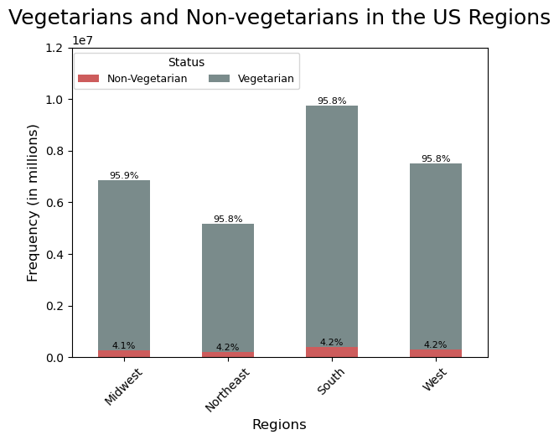
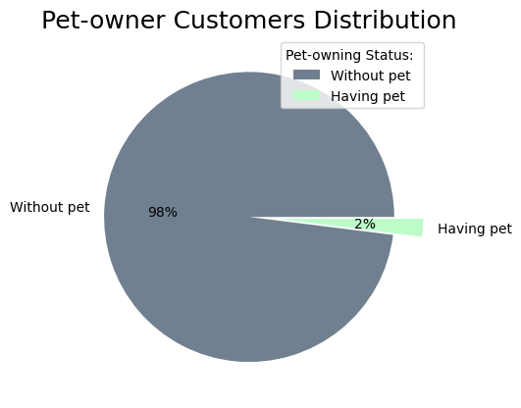
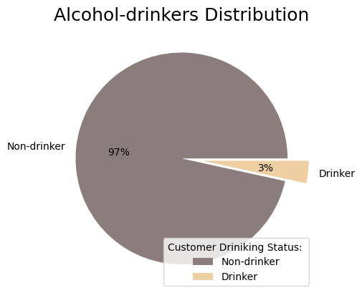
Title page

Visualisations

In this tab you should include all the visualization from Exercises 4.9 and 4.10, alongside the questions from the project brief that they answer. Include any commentary on the relationship between different variables.

Note: Instacart is a real company that’s made their data available online. However, the contents of this project brief have been fabricated for the purpose of this Achievement

Question 1
● The sales team needs to know what the busiest days of the week and hours of the day are (i.e., the days and times with the most orders) in order to schedule ads at times when there are fewer orders.
Answer : Saturday, Sunday and Friday respectively are the busiest days of the week. In terms of time in a day, between 10am to 3pm is the busiest time to place an order. Orders drop drastically after 6pm until the next day 8am, so weekdays on mentioned hours might be the perfect time to schedule ads. Please note: in below figures days are represented in numeric values where 0=Saturday and 6=Friday.

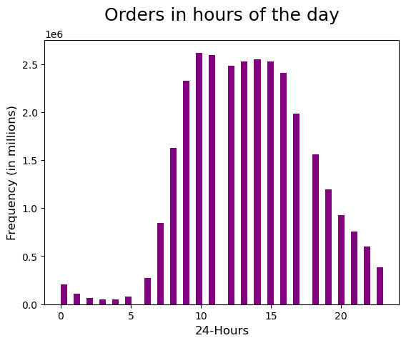
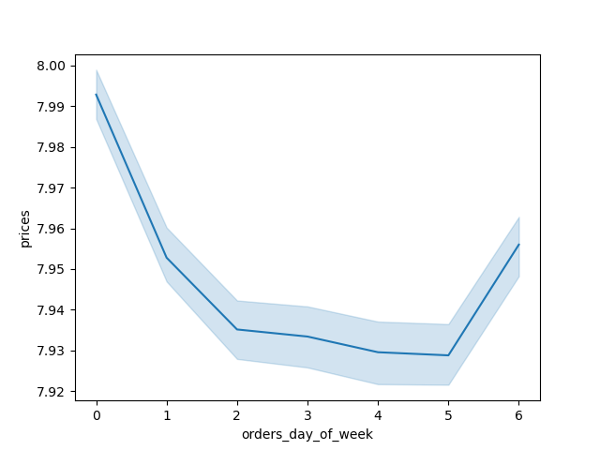
Spending Habit In the Days of week
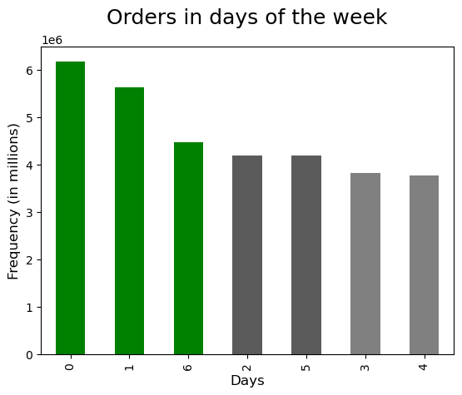

Question 2
● The sales team needs to know whether there are particular times of the day when people spend the most money, as this might inform the type of products they advertise at these times.

Answer: High frequency of orders with a low expenditure are placed during the day (9am-5pm). However, a low frequency of orders with a high expenditure happens between 6-8am, early in the morning. Also, in the afternoon we observed two peaks at noon and around 9 pm. IC can use these hours to inform the type of products they advertise.
In the last chart (bar) we can see the distribution of orders during the three periods in a day. Early birds place their orders between 5am-8am, regular customers 9am-11pm, and night owls after midnight to 4 am. Over 80% of orders come through regular hours.

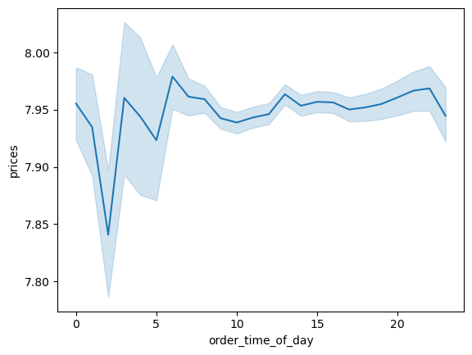
Spending Habits In the Hours of Day
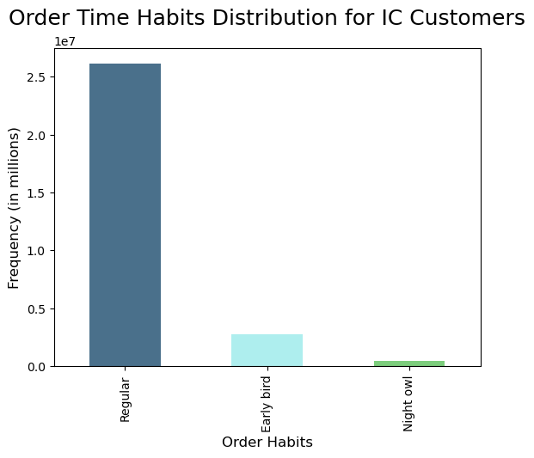

Question 3
● Instacart has a lot of products with different price tags. Marketing and sales want to use simpler price range groupings to help direct their efforts.
Answer : Products are organized in three categories: Low/Mid/High-range based on given conditions.
To get a detailed conclusion please refer to the crosstab tables and charts explanation below the visualizations.

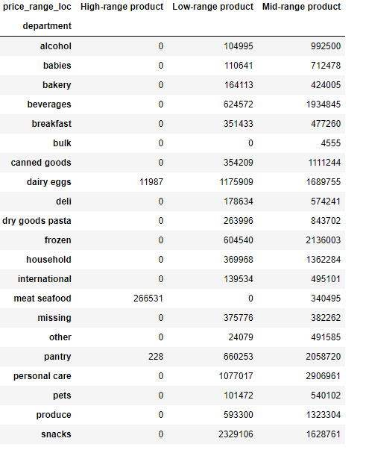
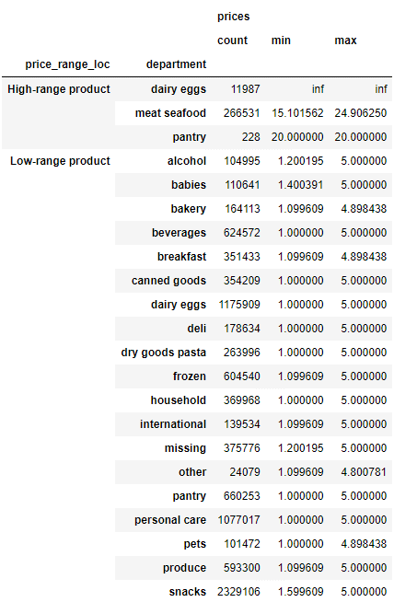
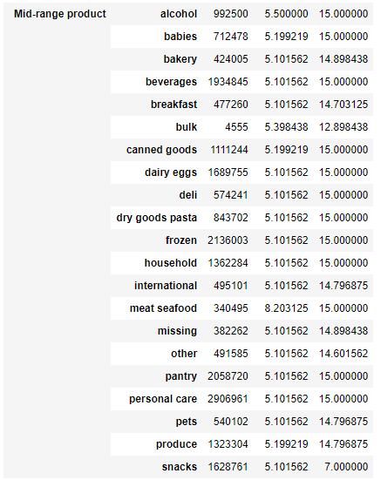

Price Range Conditions:
<= 5 : 'Low-range product'
(> 5) & ( <= 15) : 'Mid-range product'
> 15: 'High range'
else: 'Not enough data'

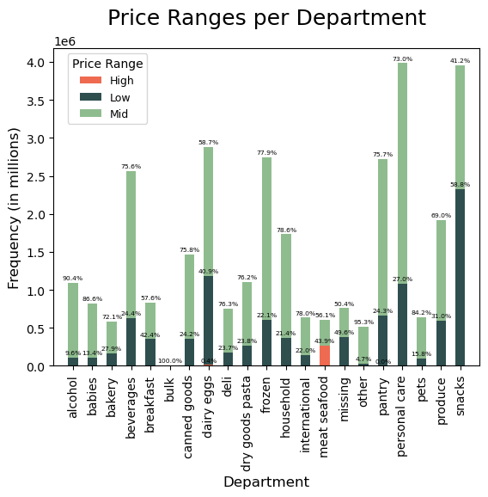

Results:
Meat seafood has the highest percentage of high-range products with around 44%.
Bulk and meat seafood don't have an item listed under low-range products.
Alcohol, others, and babies have the highest proportion of mid-range products with over 85%.
Other remaining categories are in low-to-medium range.
Please note that dairy products are not really high- range, and they are categorized as such because of an outlier (2% milk priced at 99,999).
Please note that Pantry high-ranged products contribute just less than 0.03% (small proportion of the whole pantry products), so we can not see this category on the stacked bar chart below.

Question 4
● Are there certain types of products that are more popular than others? The marketing and sales teams want to know which departments have the highest frequency of product orders.
Answer: Snacks and personal care are the most popular departments. In addition to number of orders, we can see the timeframe of order submissions in different colors.

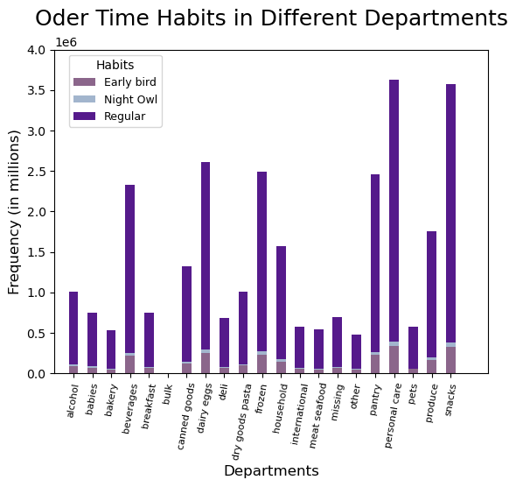

Question 5
The marketing and sales teams are particularly interested in the different types of customers in their system and how their ordering behaviors differ. For example: ● What’s the distribution among users in regards to their brand loyalty (i.e., how often do they return to Instacart)? 51% of orders have been placed by regular customers, 33% by loyal customers, and the remaining 16% are submitted by new customers. ● Are there differences in ordering habits based on a customer’s loyalty status? Almost 99% of loyal customers shop frequently at IC. Promoting point-based loyalty reward programs would help other 56% customers (Regular/ new customers proportion) to upgrading their status to loyal customers . ● Are there differences in ordering habits based on a customer’s region? Ordering habits in different regions are almost the same from proportional perspective. As South region have more population we observe the higher bar for frequent customers in these states. ● Is there a connection between age and family status in terms of ordering habits? No, there is no meaningful relation between age and number of dependents in a family.

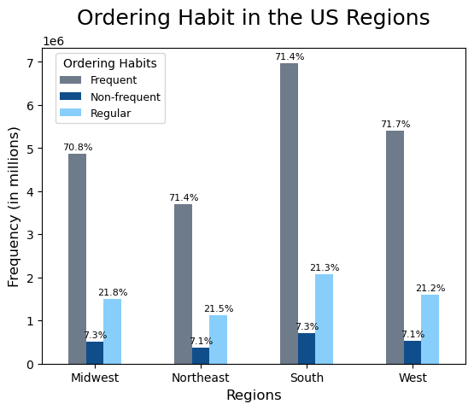
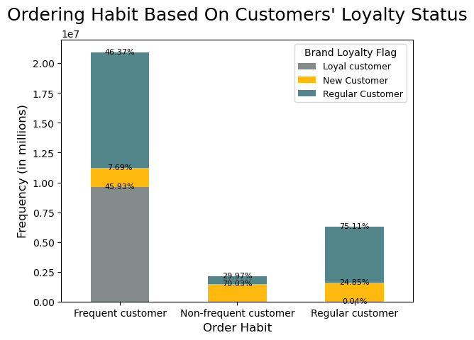
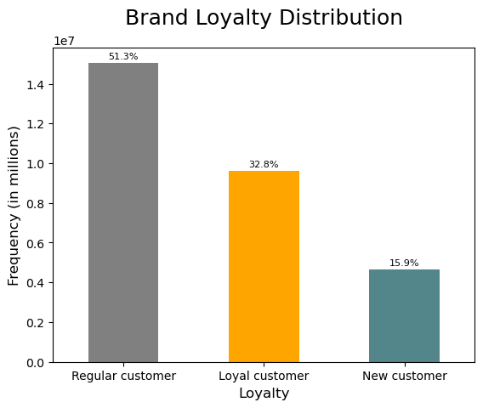

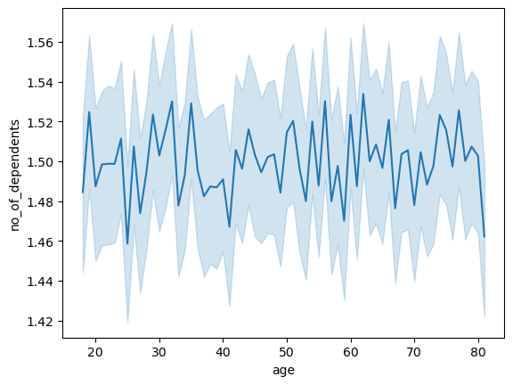
Age and Family Status Relationship

Question 6
● What different classifications does the demographic information suggest? Age? Income? Certain types of goods? Family status?
Answer: please consult the following charts.

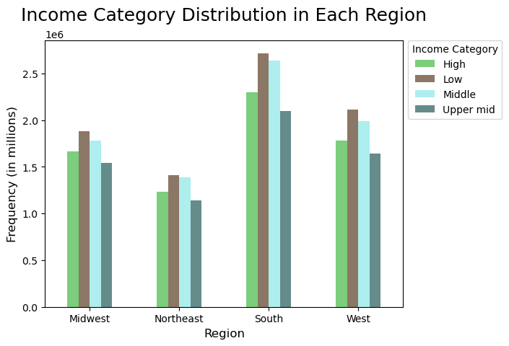
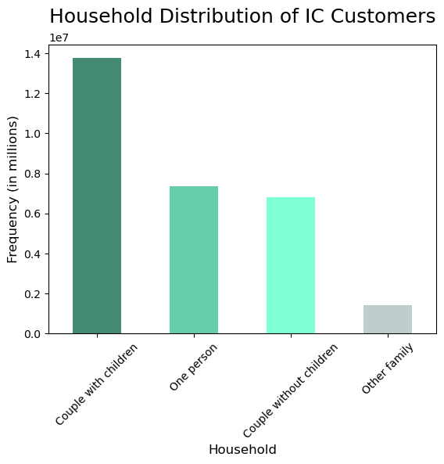
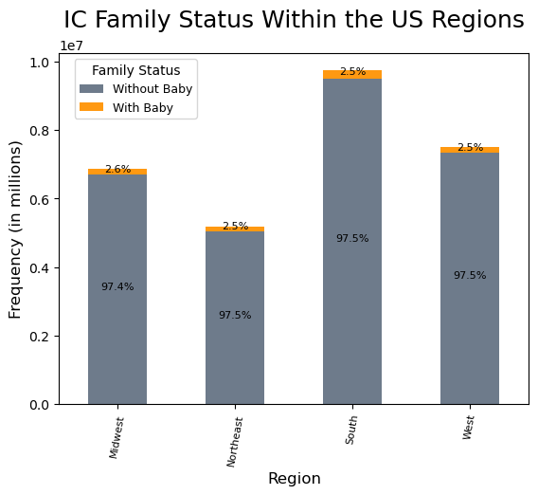

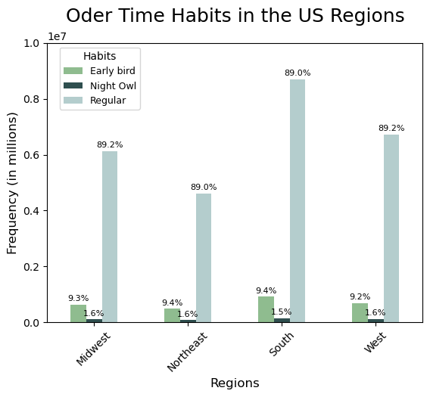
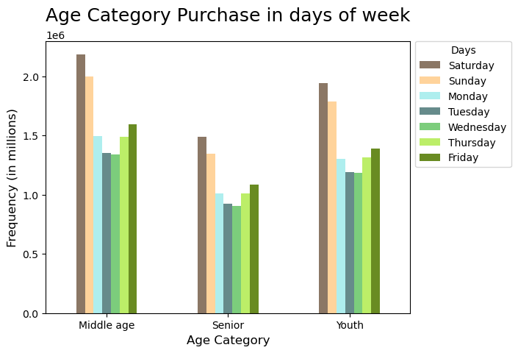

Question 7
● What differences can you find in ordering habits of different customer profiles? Consider the price of orders, the frequency of orders, the products customers are ordering, and anything else you can think of.

7. Recommendations
 | Title page

Recommendations

In this tab you should include any recommendations you would made to Instacart in terms of their marketing strategy based on the questions posed in the brief. Every key question has been covered in the Tasks of the Exercises - here you need to add an item - a visualisation or table/crosstab table that is showing the answer in the data, accompanied by a comment from you. Please, list the questions below and add the answer underneath.

Key Questions | Answers
Question 1 | Saturday, Sunday and Friday respectively are the busiest days of the week. In terms of time in a day, between 10am and 3pm is the busiest time to place an order. Orders drop drastically after 6pm until the next day 8am. so weekdays after 6pm until the next day 8am might be the perfect time to schedule more ads to be presented on IC app.
Question 2 | High frequency of orders with a low expenditure are placed during the day (9am-5pm). However, a low frequency of orders with a high expenditure happens between 6-8am, early in the morning. Also, in the afternoon we observed two peaks at noon and around 9 pm. IC can use these hours to inform the type of products they advertise. Some discounts/promotions can be introduced during the busy hours on more expensive items.
Question 3 | Products are organized in three categories: Low/Mid/High-range based on given conditions. Meat seafood has the highest percentage of high-range products with around 44%. Bulk and meat seafood don't have an item listed under low-range products. Alcohol, others, and babies have the highest portion of mid-range products with over 85%. Other remaining categories are in low-to-medium range.
Question 4 | Snacks and personal care are the most popular departments which need more consideration when re-stocking. Offer incentives on bulk, other, pets, and bakery departments might help them to increase the sales (Like buy group of 3 get 15% discount/ buy-one-get-one free). Some initiatives like free delivery options on bulk and others plus promoting low-price protection plans /guarantees will be helpful as well.
Question 5 | Almost 99% of loyal customers shop frequently at IC. Promoting point-based loyalty reward programs would help other 56% customers (Regular/ new customers proportion) to upgrade their status to loyal customers . 51% of orders have been placed by regular customers, 33% by loyal customers, and the remaining 16% are submitted by new customers. Ordering habits in different regions are almost the same from proportional perspective. We can introduce some discount like 15-20% off for next order in 5 days to motivate customers return more and turn them to the loyal customers.
Question 6 | We can introduce senior days with special discount like Thursdays and Tuesdays which are not busy days to encourage senior customers placing more orders on slow days. Students also can be another target market to set special promotions and programs like student discount on Mondays.
Question 7 | It appears couples with children place more orders. This might be because of lacking discounts on items which are popular between seniors or singles. Recommendations made in question 6 would help to boost the sales in these parts. It seems there is no significant difference in income or regions in terms of order times and ordering habit.

